Sheet1
 |  | MSP430
E1 | 1 | !RST/NMI/SBWTDIO | SBWTDIO |  |  | Pin on MSP430 | Interrupt pirority
D2 | 2 | TEST/SBWTCK | SBWTCK | Signal Out | Need timer | 8 (TA0.1)
D1 | 3 | P1.4/UCA0TXD/UCA0SIMO/TA1.2/TCK/A4/VREF+ | TXD | Button In |  | 13 (P2.3) | 3
C2 | 4 | P1.5/UCA0RXD/UCA0SOMI/TA1.1/TMS/A5 | RXD | LED OUT |  | 12 (P3.2)
C3 | 5 | P1.6/UCA0CLK/TA1CLK/TDI/TCLK/A6 | INT2
B3 | 6 | P1.7/UCA0STE/SMCLK/TDO/A7
B1 | 7 | P1.0/UCB0STE/TA0CLK/A0/Veref+ | INT1 | accelerometer
A1 | 8 | P1.1/UCB0CLK/TA0.1/A1 | S0 (Signal Out) |  | Pin on MMA | Pin on MSP430
B2 | 9 | P1.2/UCB0SIMO/UCB0SDA/TA0.2/A2/Veref | I2C SDA | GND
A2 | 10 | P1.3/UCB0SOMI/UCB0SCL/MCLK/A3 | I2C SCL | 3V3
A3 | 11 | P2.2/ACLK |  | SDA | 6 | 9
A4 | 12 | P3.0 |  | SCL | 4 | 10
A5 | 13 | P2.3 | B0 (Button In) | INT1 | 11 | P1.0 (7) | 1
C5 | 14 | P3.1/UCA1STE |  | INT2 | 9 | P1.6(5) | 2
D5 | 15 | P2.4/UCA1CLK |  | SA0 | 7 | GND
B4 | 16 | P2.5/UCA1RXD/UCA1SOMI
B5 | 17 | P2.6/UCA1TXD/UCA1SIMO
C4 | 18 | DVSS | GND
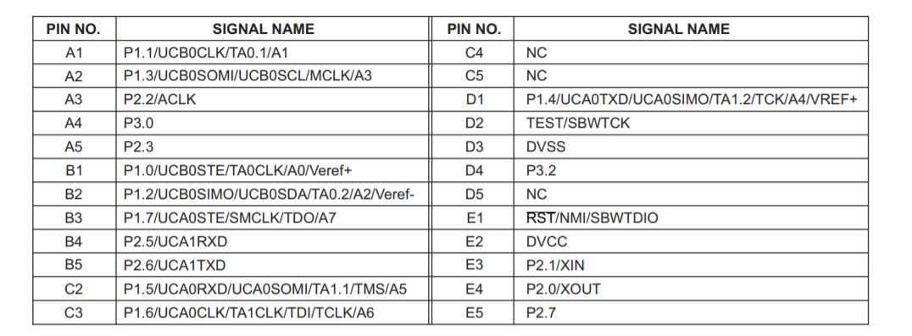
E5 | 19 | P2.7
D4 | 20 | P3.2 | L0 (LED OUT)
E4 | 21 | P2.0/XOUT
E3 | 22 | P2.1/XIN
D3 | 23 | DVSS | GND
E2 | 24 | DVCC | 3V3
 | 25 | PAD | GND

